Sheet2
Row Labels | Sum of Revenue
Beverages | ₹ 333,048,300.00
Biscuits | ₹ 179,207,600.00
Chocolates & Candies | ₹ 1,734,991,700.00
Cooking Essentials | ₹ 1,361,622,600.00
Dairy, Bread & Batter | ₹ 333,048,300.00
Fruits & Vegetables | ₹ 44,099,700.00
Health & Hygiene | ₹ 149,611,700.00
Home & Cleaning | ₹ 367,834,300.00
Ice Cream & Desserts | ₹ 1,734,991,700.00
Meats, Fish & Eggs | ₹ 369,397,600.00
Munchies | ₹ 1,361,622,600.00
Paan Corner | ₹ 1,258,107,500.00
Packaged Food | ₹ 1,734,991,700.00
Personal Care | ₹ 1,258,107,500.00
Grand Total | ₹ 12,220,682,800.00

Sheet3
Row Labels | Sum of Revenue
Praakritik Natural Desi Gir Cow A2 Ghee | ₹ 140,940,000.00
Whiskas Kitten (2-12 months) Dry Cat Food Food Ocean Fish | ₹ 114,510,000.00
Bagrrys Fruit and Nut Muesli with Cranberries | ₹ 112,275,000.00
Top 10 Products
Kellogg's Special K Original Corn Flakes | ₹ 107,421,000.00
Kellogg's Original Corn Flakes | ₹ 101,062,500.00
Dove Daily Shine Shampoo | ₹ 95,880,000.00
Kellogg's Crunchy Fruit & Nut Breakfast Cereals Muesli | ₹ 90,225,000.00
Godrej Yummiez Chicken Nuggets | ₹ 87,900,000.00
Kellogg's Muesli Nuts Delight | ₹ 86,175,000.00
Pedigree Puppy Dry Dog Food Food Chicken & Milk | ₹ 84,103,200.00
Grand Total | ₹ 1,020,491,700.00

Sheet4
Row Labels | Sum of Stock Value
Beverages | ₹ 5,505,100.00
Biscuits | ₹ 2,500,760.00
Chocolates & Candies | ₹ 22,438,500.00
Stock Value Distribution
Cooking Essentials | ₹ 33,736,900.00
Dairy, Bread & Batter | ₹ 5,505,100.00
Fruits & Vegetables | ₹ 1,084,600.00
Health & Hygiene | ₹ 6,418,000.00
Home & Cleaning | ₹ 12,266,100.00
Ice Cream & Desserts | ₹ 22,438,500.00
Meats, Fish & Eggs | ₹ 2,069,300.00
Munchies | ₹ 33,736,900.00
Paan Corner | ₹ 27,003,900.00
Packaged Food | ₹ 22,438,500.00
Personal Care | ₹ 27,003,900.00
Grand Total | ₹ 224,146,060.00

Dashboard
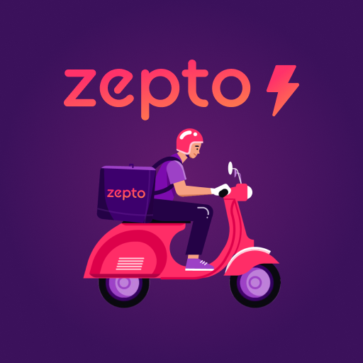

Inventory Dataset

Total Stock Value
Total Revenue
Total Items
Average Discount %
Out of Stock Items

₹ 12,22,06,82,800.00
₹ 22,41,46,060.00
3730
28407
3730

 | Total
Beverages | ₹333,048,300.00
Biscuits | ₹179,207,600.00
Chocolates & Candies | ₹1,734,991,700.00
Cooking Essentials | ₹1,361,622,600.00
Dairy, Bread & Batter | ₹333,048,300.00
Fruits & Vegetables | ₹44,099,700.00
Health & Hygiene | ₹149,611,700.00
Home & Cleaning | ₹367,834,300.00
Ice Cream & Desserts | ₹1,734,991,700.00
Meats, Fish & Eggs | ₹369,397,600.00
Munchies | ₹1,361,622,600.00
Paan Corner | ₹1,258,107,500.00
Packaged Food | ₹1,734,991,700.00
Personal Care | ₹1,258,107,500.00
Stock Value Distribution
 | Total
Beverages | ₹5,505,100.00
Biscuits | ₹2,500,760.00
Chocolates & Candies | ₹22,438,500.00
Cooking Essentials | ₹33,736,900.00
Dairy, Bread & Batter | ₹5,505,100.00
Fruits & Vegetables | ₹1,084,600.00
Health & Hygiene | ₹6,418,000.00
Home & Cleaning | ₹12,266,100.00
Ice Cream & Desserts | ₹22,438,500.00
Meats, Fish & Eggs | ₹2,069,300.00
Munchies | ₹33,736,900.00
Paan Corner | ₹27,003,900.00
Packaged Food | ₹22,438,500.00
Personal Care | ₹27,003,900.00

Top 10 Products
 | Total
Praakritik Natural Desi Gir Cow A2 Ghee | ₹140,940,000.00
Whiskas Kitten (2-12 months) Dry Cat Food Food Ocean Fish | ₹114,510,000.00
Bagrrys Fruit and Nut Muesli with Cranberries | ₹112,275,000.00
Kellogg's Special K Original Corn Flakes | ₹107,421,000.00
Kellogg's Original Corn Flakes | ₹101,062,500.00
Dove Daily Shine Shampoo | ₹95,880,000.00
Kellogg's Crunchy Fruit & Nut Breakfast Cereals Muesli | ₹90,225,000.00
Godrej Yummiez Chicken Nuggets | ₹87,900,000.00
Kellogg's Muesli Nuts Delight | ₹86,175,000.00
Pedigree Puppy Dry Dog Food Food Chicken & Milk | ₹84,103,200.00
Inventory Summary
- Total Products Tracked: 500+
- Revenue Generated: ₹1,222 Cr
- Inventory Worth: ₹895 Cr
- Top Category: Beverages (₹325 Cr)
- Out of Stock Items: 28
- Average Discount Offered: 15.3%

